Oracle
Number |  | Test Scenario | Result | Status

22 | compare | Compare count from source table in Cambrian and target table in Oracle
 |  | select count(*) from (select * from autoinsights_test_db.dealertrack_summary where dt_archive <= 201909) where laststatus IN ("APPROVED","CONDITIONAL APPROVAL","BOOKED") and YEAR(c.laststatusdate) >= YEAR(current_timestamp()) - 3 | 6199652
 |  | select COUNT(*)from AUTOBENCH_MGR.lender_transaction_ext | 6199652 | pass

23 | compare | Compare source table in Cambrian and target table in Oracle for each archive
 |  | select count(*) from (select * from autoinsights_test_db.dealertrack_summary where dt_archive <= 201909) where laststatus IN ("APPROVED","CONDITIONAL APPROVAL","BOOKED") and dt_archive = 201801 | 121835
 |  | select COUNT(*)from AUTOBENCH_MGR.lender_transaction_ext where year = '2018' and month = '1' | 121835 | pass

24 | validate - Quarter mapping | Quarter mapping select * from ( select month,quarter , case when month in (1,2,3) then 1 when month in (4,5,6) then 2 when month in (7,8,9) then 3 when month in (10,11,12) then 4 end real_quarter from AUTOBENCH_MGR.LENDER_TRANSACTION ) where quarter != real_quarter; | 0 | pass

25 | validate - lender_id mapping | select * from( select lender_id, case when lender_id is null then 10000 when lender_id is not null then lender_id end real_lender_id from AUTOBENCH_MGR.LENDER_TRANSACTION) where lender_id != real_lender_id; | 0 | pass

26 | validate - vehicle_condition | compare count from dealertrack_summary to lender_transaction_ext
 |  | Cambrian- select c.vehicle_condition, count(*) from (select d.applicationprofileid,d.laststatusdate, d.laststatus,CASE d.vehiclecondition WHEN "NEW" THEN 1 WHEN "USED" THEN 2 END AS vehicle_condition from (select * from autoinsights_test_db.dealertrack_summary where dt_archive <= 201909) d )c where c.laststatus IN ("APPROVED","CONDITIONAL APPROVAL","BOOKED") and YEAR(c.laststatusdate) >= YEAR(current_timestamp()) - 3 group by c.vehicle_condition order by c.vehicle_condition;
 |  | Oracle- select vehicle_condition, count(*) from AUTOBENCH_MGR.lender_transaction_ext group by vehicle_condition order by vehicle_condition; |  | pass

27 | validate - region_id | Compare records in Cambrian have same records in Oracle for same region_id
 |  | Cambrian-- select c.region_id, count(*) from (select d.applicationprofileid,d.laststatusdate, d.laststatus,CASE d.consumer_province WHEN "AB" THEN 4 WHEN "BC" THEN 4 WHEN "MB" THEN 3 WHEN "NB" THEN 5 WHEN "NL" THEN 5 WHEN "NT" THEN 6 WHEN "NS" THEN 5 WHEN "NU" THEN 6 WHEN "ON" THEN 1 WHEN "PE" THEN 5 WHEN "QC" THEN 2 WHEN "SK" THEN 3 WHEN "YT" THEN 6 ELSE 7 END AS region_id from (select * from autoinsights_test_db.dealertrack_summary where dt_archive <= 201909) d where t.dt_archive <= 201909 )c where c.laststatus IN ("APPROVED","CONDITIONAL APPROVAL","BOOKED") and YEAR(c.laststatusdate) >= YEAR(current_timestamp()) - 3 group by c.region_id order by c.region_id limit 20; | 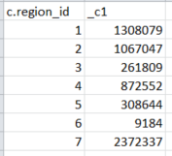
 |  | Oracle - select region_id, count(*) from AUTOBENCH_MGR.lender_transaction_ext group by region_id order by region_id; | 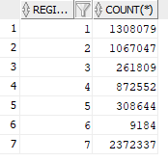 | pass

28 | validate - province_id | Compare records in Cambrian have same records in Oracle for same province_id
 |  | Cambrian: select c.province_id, count(*) from (select d.applicationprofileid,d.laststatusdate, d.laststatus,CASE d.consumer_province WHEN "AB" THEN 1 WHEN "BC" THEN 2 WHEN "MB" THEN 3 WHEN "NB" THEN 4 WHEN "NL" THEN 5 WHEN "NT" THEN 6 WHEN "NS" THEN 7 WHEN "NU" THEN 8 WHEN "ON" THEN 9 WHEN "PE" THEN 10 WHEN "QC" THEN 11 WHEN "SK" THEN 12 WHEN "YT" THEN 13 ELSE 14 END AS province_id from (select * from autoinsights_test_db.dealertrack_summary where dt_archive <= 201909) d where t.dt_archive <= 201909 )c where c.laststatus IN ("APPROVED","CONDITIONAL APPROVAL","BOOKED") and YEAR(c.laststatusdate) >= YEAR(current_timestamp()) - 3 group by c.province_id order by c.province_id limit 20; | 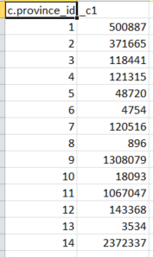 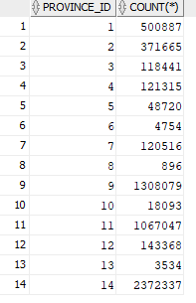
 |  | Oracle: select province_id, count(*) from AUTOBENCH_MGR.lender_transaction_ext group by province_id order by province_id |  | pass

29 | validate - payment_rate | Create lender_performance_facts view in qa -- Drop view qa.lender_performance_facts create view qa.lender_performance_facts as SELECT w.application_profile_id AS trade_application_profile_id, COLLECT_LIST(w.month_rate[0])[0] as rate_month_00, COLLECT_LIST(w.month_rate[1])[0] as rate_month_01, COLLECT_LIST(w.month_rate[2])[0] as rate_month_02, COLLECT_LIST(w.month_rate[3])[0] as rate_month_03, COLLECT_LIST(w.month_rate[4])[0] as rate_month_04, COLLECT_LIST(w.month_rate[5])[0] as rate_month_05, COLLECT_LIST(w.month_rate[6])[0] as rate_month_06, COLLECT_LIST(w.month_rate[7])[0] as rate_month_07, COLLECT_LIST(w.month_rate[8])[0] as rate_month_08, COLLECT_LIST(w.month_rate[9])[0] as rate_month_09, COLLECT_LIST(w.month_rate[10])[0] as rate_month_10, COLLECT_LIST(w.month_rate[11])[0] as rate_month_11, COLLECT_LIST(w.month_rate[12])[0] as rate_month_12, COLLECT_LIST(w.month_rate[13])[0] as rate_month_13, COLLECT_LIST(w.month_rate[14])[0] as rate_month_14, COLLECT_LIST(w.month_rate[15])[0] as rate_month_15, COLLECT_LIST(w.month_rate[16])[0] as rate_month_16, COLLECT_LIST(w.month_rate[17])[0] as rate_month_17, COLLECT_LIST(w.month_rate[18])[0] as rate_month_18, COLLECT_LIST(w.month_rate[19])[0] as rate_month_19, COLLECT_LIST(w.month_rate[20])[0] as rate_month_20, COLLECT_LIST(w.month_rate[21])[0] as rate_month_21, COLLECT_LIST(w.month_rate[22])[0] as rate_month_22, COLLECT_LIST(w.month_rate[23])[0] as rate_month_23, COLLECT_LIST(w.month_rate[24])[0] as rate_month_24, MAX(w.max_account_age) AS max_account_age, COLLECT_LIST(w.month_rate[w.max_account_age])[0] AS last_payment_rate FROM ( SELECT t.applicationprofileid AS application_profile_id, MAP(t.account_age, CASE WHEN t.rate IN (0,1) THEN 1 WHEN t.rate IN (2,3,4) THEN t.rate WHEN t.rate IN (5,6) THEN 5 WHEN t.rate IN (7,8,9) THEN 6 ELSE 7
 |  | 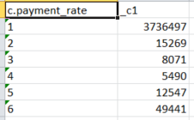 Cambrian - select c.payment_rate,count(*) from(select b.applicationprofileid,b.laststatus, b.laststatusdate, NVL(a.last_payment_rate,7) AS payment_rate from qa.lender_performance_facts a left outer join (select * from im_auto_insights_db.dealertrack_summary where dt_archive <=201910) b on a.trade_application_profile_id = b.applicationprofileid where b.laststatus IN ("APPROVED","CONDITIONAL APPROVAL","BOOKED"))c where YEAR(c.laststatusdate) >= YEAR(current_timestamp()) - 3 group by c.payment_rate order by c.payment_rate limit 10; |  | pass
 |  | Oracle - select payment_rate, count(*) from AUTOBENCH_MGR.lender_transaction_ext group by payment_rate order by payment_rate; | 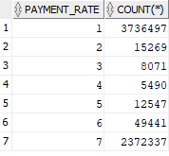 | pass

30 | validate - credit_quality | Cambrian - select c.credit_quality, count(*) from (select d.applicationprofileid,d.laststatus, laststatusdate,case when d.ers_score is NULL then 6 when d.ers_score < 540 then 1 when d.ers_score < 620 then 2 when d.ers_score < 680 then 3 when d.ers_score < 720 then 4 else 5 end as credit_quality from (select * from (select * from autoinsights_test_db.dealertrack_summary where dt_archive <= 201909) where dt_archive <= 201909) d left outer join (select * from autoinsights_test_db.trade_performance where year_month <= 201909 )t on d.applicationprofileid = t.applicationprofileid and d.laststatus IN ("APPROVED","CONDITIONAL APPROVAL","BOOKED"))c where YEAR(c.laststatusdate) >= YEAR(current_timestamp()) - 3 group by c.credit_quality order by c.credit_quality limit 20; | 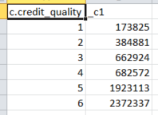
 |  | Oracle - select credit_quality, count(*) from AUTOBENCH_MGR.lender_transaction_ext group by credit_quality order by credit_quality; | 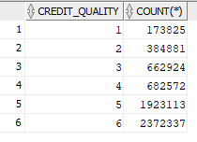 | pass

31 | validate - financing_type | Cambrian - select c.financing_type, count(*) from (select d.applicationprofileid, d.laststatus, laststatusdate,case when d.fundingtype = "LOAN" then 1 when d.fundingtype = "LEASE" then 2 else 3 end as financing_type from (select * from (select * from autoinsights_test_db.dealertrack_summary where dt_archive <= 201909) where dt_archive <= 201909) d )c where c.laststatus IN ("APPROVED","CONDITIONAL APPROVAL","BOOKED") and YEAR(c.laststatusdate) >= YEAR(current_timestamp()) - 3 group by c.financing_type order by c.financing_type limit 20;
 |  | Oracle - select financing_type, count(*) from AUTOBENCH_MGR.lender_transaction_ext group by financing_type order by financing_type; |  | pass

32 | validate - financing_term | 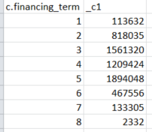 Cambrian -- select c.financing_term, count(*) from (select t.applicationprofileid, t.laststatus,laststatusdate,dt_archive, case WHEN t.borrowingterm IS NULL THEN 8 WHEN t.borrowingterm < 36 THEN 1 WHEN t.borrowingterm <= 48 THEN 2 WHEN t.borrowingterm <= 60 THEN 3 WHEN t.borrowingterm <= 72 THEN 4 WHEN t.borrowingterm <= 84 THEN 5 WHEN t.borrowingterm <= 96 THEN 6 ELSE 7 END AS financing_term from autoinsights_test_db.dealertrack_summary t )c where c.laststatus IN ("APPROVED","CONDITIONAL APPROVAL","BOOKED") and YEAR(c.laststatusdate) >= YEAR(current_timestamp()) - 3 AND c.DT_ARCHIVE <= 201909 group by c.financing_term order by c.financing_term limit 15; | 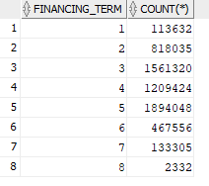
 |  | Oracle - select financing_term, count(*) from AUTOBENCH_MGR.lender_transaction_ext group by financing_term order by financing_term; |  | pass

33 | validate - loan_to_value | select c.loan_to_value, count(*) from (select t.applicationprofileid, t.laststatus, laststatusdate, case WHEN t.ltv IS NULL THEN 6 WHEN t.ltv < 100 THEN 1 WHEN t.ltv < 120 THEN 2 WHEN t.ltv < 140 THEN 3 WHEN t.ltv < 160 THEN 4 ELSE 5 END AS loan_to_value from (select * from autoinsights_test_db.dealertrack_summary where dt_archive <= 201909) t )c where c.laststatus IN ("APPROVED","CONDITIONAL APPROVAL","BOOKED") and YEAR(c.laststatusdate) >= YEAR(current_timestamp()) - 3 group by c.loan_to_value order by c.loan_to_value limit 20; | 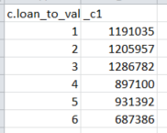
 |  | Oracle - select loan_to_value, count(*) from AUTOBENCH_MGR.lender_transaction_ext group by loan_to_value order by loan_to_value; | 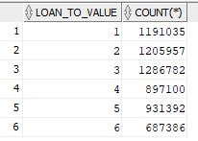 | pass

34 | validate - subvented | select c.subvented, count(*) from (select t.applicationprofileid, t.laststatus,laststatusdate, CASE t.subvented WHEN "NO" THEN 1 WHEN "YES" THEN 2 END AS subvented from (select * from autoinsights_test_db.dealertrack_summary where dt_archive <= 201909) t )c where c.laststatus IN ("APPROVED","CONDITIONAL APPROVAL","BOOKED") and YEAR(c.laststatusdate) >= YEAR(current_timestamp()) - 3 group by c.subvented order by c.subvented limit 20;
 |  | Oracle- select subvented, count(*) from AUTOBENCH_MGR.lender_transaction_ext group by subvented order by subvented; |  | pass

35 | validate - apr | Cambrian - select c.apr, count(*) from (select t.applicationprofileid, t.laststatus,laststatusdate, CASE WHEN t.actualinterestrate IS NULL THEN 10 WHEN t.actualinterestrate < 1 THEN 1 WHEN t.actualinterestrate < 2 THEN 2 WHEN t.actualinterestrate < 3 THEN 3 WHEN t.actualinterestrate < 4 THEN 4 WHEN t.actualinterestrate < 7 THEN 5 WHEN t.actualinterestrate < 10 THEN 6 WHEN t.actualinterestrate < 15 THEN 7 WHEN t.actualinterestrate < 20 THEN 8 ELSE 9 END AS apr from (select * from autoinsights_test_db.dealertrack_summary where dt_archive <= 201909) t )c where c.laststatus IN ("APPROVED","CONDITIONAL APPROVAL","BOOKED") and YEAR(c.laststatusdate) >= YEAR(current_timestamp()) - 3 group by c.apr order by c.apr limit 20; | 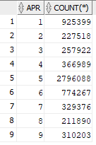 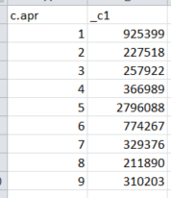
 |  | Oracle - select apr, count(*) from AUTOBENCH_MGR.lender_transaction_ext group by apr order by apr; |  | pass

 | Validate Asset_type | Cambrian - select c.asset_type,YEAR(c.laststatusdate),month(c.laststatusdate), count(*) from (select t.applicationprofileid, t.laststatus,laststatusdate,dt_archive, CASE assettype WHEN "AU" THEN 1 WHEN "LS" THEN 2 WHEN "MR" THEN 3 WHEN "RV" THEN 4 ELSE 5 END AS asset_type from im_auto_insights_db.dealertrack_summary t )c where c.laststatus IN ("APPROVED","CONDITIONAL APPROVAL","BOOKED") and YEAR(c.laststatusdate) >= YEAR(current_timestamp())-3 group by c.asset_type,YEAR(c.laststatusdate),month(c.laststatusdate) order by c.asset_type,YEAR(c.laststatusdate),month(c.laststatusdate); | 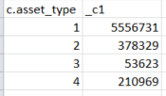
 |  | Oracle - select asset_type,year, month, count(*) from AUTOBENCH_MGR.lender_transaction_ext group by asset_type,year, month order by asset_type,year, month;

40 | Validate city_id | Compare Cambrian City ranking to Oracle city_id
 |  | Cambrian city ranking SELECT IF(consumer_province IS NULL OR LENGTH(TRIM(consumer_province)) = 0,"N/A",consumer_province) AS consumer_province, IF(consumer_city IS NULL OR LENGTH(TRIM(consumer_city)) = 0,"N/A",consumer_city) AS consumer_city, count(*) AS occurrences, MAX(laststatusdate) AS consumer_city_recency FROM (select * from autoinsights_test_db.dealertrack_summary where dt_archive <= 201909) WHERE dt_archive > 0 AND laststatus IN ('APPROVED','CONDITIONAL APPROVAL','BOOKED') AND YEAR(laststatusdate) >= YEAR(current_timestamp()) - 3 GROUP BY consumer_province, consumer_city ORDER BY occurrences DESC,consumer_city_recency DESC,consumer_province,consumer_city limit 99999
 |  | Oracle city ranking select * from AUTOBENCH_MGR.city order by city_id |  | pass

41 | Validate postal_code_id | Compare Cambrian postal_code ranking to Oracle postal_code_id
 |  | Cambrian postal_code ranking SELECT IF(consumer_province IS NULL OR LENGTH(TRIM(consumer_province)) = 0,"N/A",consumer_province) AS consumer_province, IF(consumer_city IS NULL OR LENGTH(TRIM(consumer_city)) = 0,"N/A",consumer_city) AS consumer_city, IF(consumer_postal IS NULL OR LENGTH(TRIM(consumer_postal)) = 0,"N/A",consumer_postal) AS consumer_postal, count(*) AS occurrences, MAX(laststatusdate) AS consumer_postal_recency FROM autoinsights_test_db.dealertrack_summary WHERE dt_archive > 0 AND laststatus IN ('APPROVED','CONDITIONAL APPROVAL','BOOKED') AND YEAR(laststatusdate) >= YEAR(current_timestamp()) - 3 and DT_ARCHIVE <= 201909 GROUP BY IF(consumer_province IS NULL OR LENGTH(TRIM(consumer_province)) = 0,"N/A",consumer_province), IF(consumer_city IS NULL OR LENGTH(TRIM(consumer_city)) = 0,"N/A",consumer_city), IF(consumer_postal IS NULL OR LENGTH(TRIM(consumer_postal)) = 0,"N/A",consumer_postal) ORDER BY occurrences DESC,consumer_postal_recency DESC,consumer_province,consumer_city,consumer_postal limit 99999
 |  | Oracle postal_code ranking select * from (SELECT * FROM AUTOBENCH_MGR.postal_code order by postal_code_id) where rownum<= 99999; |  | pass

42 | Validate vehicle_make_id | Cambrian -- SELECT vehiclemake, count(*) AS occurrences, MAX(laststatusdate) AS vehicle_make_recency FROM autoinsights_test_db.dealertrack_summary WHERE dt_archive > 0 AND laststatus IN ('APPROVED','CONDITIONAL APPROVAL','BOOKED') AND YEAR(laststatusdate) >= YEAR(current_timestamp()) - 3 and DT_ARCHIVE <= 201909 GROUP BY vehiclemake ORDER BY occurrences DESC,vehicle_make_recency DESC,vehiclemake limit 99999
 |  | select * from AUTOBENCH_MGR.vehicle_make order by vehicle_make_id; |  | pass

43 | Validate vehicle_model_id | Combrian- SELECT IF(vehiclemake IS NULL OR LENGTH(TRIM(vehiclemake)) = 0,"N/A",vehiclemake) AS vehiclemake, IF(vehiclemodel IS NULL OR LENGTH(TRIM(vehiclemodel)) = 0,"N/A",vehiclemodel) AS vehiclemodel, count(*) AS occurrences, MAX(laststatusdate) AS vehicle_model_recency from autoinsights_test_db.dealertrack_summary WHERE dt_archive > 0 AND laststatus IN ('APPROVED','CONDITIONAL APPROVAL','BOOKED') AND YEAR(laststatusdate) >= YEAR(current_timestamp()) - 3 and DT_ARCHIVE <= 201909 GROUP BY IF(vehiclemake IS NULL OR LENGTH(TRIM(vehiclemake)) = 0,"N/A",vehiclemake), IF(vehiclemodel IS NULL OR LENGTH(TRIM(vehiclemodel)) = 0,"N/A",vehiclemodel) ORDER BY occurrences DESC,vehicle_model_recency DESC,vehiclemake,vehiclemodel limit 99999
 |  | Oracle- select * from (select * from AUTOBENCH_MGR.vehicle_model order by vehicle_model_id)where rownum<= 99999; |  | pass

44 | validate rate_month_00 | Validate trade_performance.rate, where account_age = 0 then, rate_month = 7 0, 1 → 1; 2→ 2; 3 → 3; 4 → 4; 5, 6 → 5; 7, 8, 9 → 6; else → 7
 |  | Cambrian -9965779 select * from autoinsights_test_db.trade_performance where applicationprofileid=9965779 and account_age <=24 order by account_age;
 |  | Oracle - select * from qa.rate_month where trade_application_profile_id = 9965779; |  | pass

45 | validate rate_month and rate = 1 | Validate trade_performance.rate, where rate in (0,1) then rate_month = 1 0, 1 → 1; 2→ 2; 3 → 3; 4 → 4; 5, 6 → 5; 7, 8, 9 → 6; else → 7
 |  | Cambrian - select * from autoinsights_test_db.trade_performance where applicationprofileid=12205125 and account_age <=24 order by account_age;
 |  | Oracle - select * from qa.rate_month where trade_application_profile_id = 12205125; |  | pass

46 | validate rate_month and rate = 2 or 3 or 4 | Validate trade_performance.rate, where rate = 2 or 3 or 4 then rate_month = 2 or 3 or 4 0, 1 → 1; 2→ 2; 3 → 3; 4 → 4; 5, 6 → 5; 7, 8, 9 → 6; else → 7
 |  | Cambrian - select * from autoinsights_test_db.trade_performance where applicationprofileid=17734589 and account_age <=24 order by account_age;
 |  | Oracle - select * from qa.rate_month where trade_application_profile_id = 17734589; |  | pass

47 | validate rate_month and rate = 5 | Validate trade_performance.rate, where rate = 5 then rate_month =5 0, 1 → 1; 2→ 2; 3 → 3; 4 → 4; 5, 6 → 5; 7, 8, 9 → 6; else → 7
 |  | Cambrian - select * from autoinsights_test_db.trade_performance where applicationprofileid=12921748 and account_age <=24 order by account_age;
 |  | Oracle - select * from qa.rate_month where trade_application_profile_id = 12921748; |  | pass

48 | validate rate_month and rate = 6 | Validate trade_performance.rate, where rate = 7 then rate_month =6 0, 1 → 1; 2→ 2; 3 → 3; 4 → 4; 5, 6 → 5; 7, 8, 9 → 6; else → 7
 |  | Cambrian - select * from autoinsights_test_db.trade_performance --rate7 where applicationprofileid=15405182 and account_age <=24 order by account_age;
 |  | Oracle - select * from qa.rate_month where trade_application_profile_id = 15405182; |  | pass

49 | validate rate_month and rate = 7 | Validate trade_performance.rate, where rate = 7 then rate_month =6 0, 1 → 1; 2→ 2; 3 → 3; 4 → 4; 5, 6 → 5; 7, 8, 9 → 6; else → 7
 |  | Cambrian - select * from autoinsights_test_db.trade_performance where applicationprofileid=15405182 and account_age <=24 order by account_age;
 |  | Oracle - select * from qa.rate_month where trade_application_profile_id = 15405182; |  | pass

50 | validate rate_month and rate = 8 | Validate trade_performance.rate, where rate = 8 then rate_month =6 0, 1 → 1; 2→ 2; 3 → 3; 4 → 4; 5, 6 → 5; 7, 8, 9 → 6; else → 7
 |  | Cambrian - select * from autoinsights_test_db.trade_performance where applicationprofileid=9965779 and account_age <=24 order by account_age;
 |  | Oracle - select * from qa.rate_month where trade_application_profile_id = 9965779; |  | pass

51 | validate rate_month and rate = 9 | Validate trade_performance.rate, where rate = 9 then rate_month =6 0, 1 → 1; 2→ 2; 3 → 3; 4 → 4; 5, 6 → 5; 7, 8, 9 → 6; else → 7
 |  | Cambrian - select * from autoinsights_test_db.trade_performance where applicationprofileid=10944440 and account_age <=24 order by account_age;
 |  | Oracle - select * from qa.rate_month where trade_application_profile_id = 10944440; |  | pass

52 | validate rate_month is null and rate =7 | Validate trade_performance.rate, where rate is null then rate_month =7 0, 1 → 1; 2→ 2; 3 → 3; 4 → 4; 5, 6 → 5; 7, 8, 9 → 6; else → 7
 |  | Cambrian - select * from autoinsights_test_db.trade_performance where applicationprofileid=17467039 --and account_age <=24 order by account_age;
 |  | Oracle - select * from qa.rate_month where trade_application_profile_id = 17467039; |  | pass

Annualreport_rate5
Oracle |  |  |  | Status | Cambrian
You' lender id=162, Payment_rate = 5 ( over 90 days)

Report -Dollar amount 'You' | year | payment_rate | Dollar amount | pass | Report -Dollar amount 'You' | year | Count | Dollar amount
Select year, payment_rate, sum(Balance) as total | 2016 | 5 | 76641322.66 |  | SELECT YEAR(a.laststatusdate) AS year, COUNT(*), SUM(a.totalamountfinanced) AS total FROM im_auto_insights_db.dealertrack_summary a LEFT OUTER JOIN im_auto_insights_db.trade_performance b ON a.applicationprofileid = b.applicationprofileid AND b.year_month > 0 WHERE a.lender_id = 162 AND dt_archive > 0 AND b.rate in ('5','6') AND b.account_age = 24 AND a.laststatus IN ('APPROVED','CONDITIONAL APPROVAL','BOOKED') GROUP BY YEAR(a.laststatusdate) order by YEAR(a.laststatusdate) | 2015 | 1160 | 37122227.8966
from AUTOBENCH_MGR.lender_transaction_ext | 2017 | 5 | 111807365.85 |  |  | 2016 | 1135 | 33527346.9399
where lender_id = 162 and Payment_Rate = 5 | 2018 | 5 | 100387457.92 |  |  | 2017 | 295 | 8126030.5624
group by year, payment_Rate | 2019 | 5 | 10469522.01
order by year;

Report - Doallar amount 'peer' | year | payment_rate | Dollar amount | pass | Report -Dollar amount 'Peer' | year | Count | Dollar amount
Select year, payment_rate, sum(Balance) as total | 2016 | 5 | 77637939.76 |  | SELECT YEAR(a.laststatusdate) AS year, COUNT(*), SUM(a.totalamountfinanced) AS total FROM im_auto_insights_db.dealertrack_summary a LEFT OUTER JOIN im_auto_insights_db.trade_performance b ON a.applicationprofileid = b.applicationprofileid AND b.year_month > 0 WHERE a.lender_id <>162 AND dt_archive > 0 AND b.rate in ('5','6') AND b.account_age = 24 AND a.laststatus IN ('APPROVED','CONDITIONAL APPROVAL','BOOKED') GROUP BY YEAR(a.laststatusdate) order by YEAR(a.laststatusdate) | 2015 | 2290 | 82379983.4027
from AUTOBENCH_MGR.lender_transaction_ext | 2017 | 5 | 18625783.77 |  |  | 2016 | 2241 | 77637939.7852
where lender_id <> 162 and Payment_Rate = 5 |  |  |  |  |  | 2017 | 533 | 18625783.7900
group by year, payment_Rate
order by year;
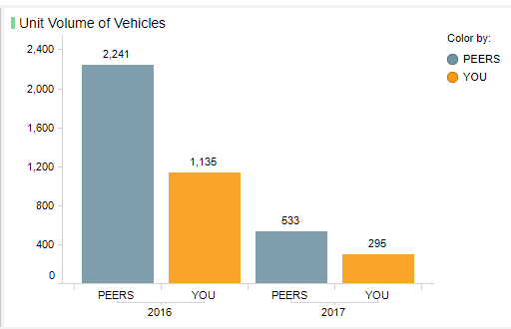
Report - Unit Volume Of Vehicle 'You' | year | payment_rate | Unit_volume | pass
Select year, payment_rate, count(Vehicle_ID) as UnitVolume | 2016 | 5 | 1135
from AUTOBENCH_MGR.lender_transaction_ext | 2017 | 5 | 295
where lender_id =162
group by year, payment_Rate
order by year,payment_rate;

Report -Unit Volume Of Vehicle of 'peer' | year | payment_rate | Unit_volume | pass
Select year, payment_rate, count(Vehicle_ID) as UnitVolume | 2016 | 5 | 2241
from AUTOBENCH_MGR.lender_transaction_ext | 2017 | 5 | 533
where lender_id <> 162 and Payment_Rate = 5
group by year, payment_Rate
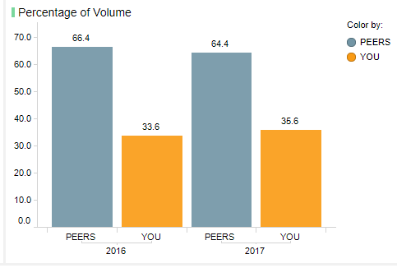
order by year;

Report - Percentage of volumn 'peer' | year | payment_rate | Unit_volume | pass
lender_id <> 162 and Payment_Rate = 5 | 2016 | 5 | 0.66380331754
 | 2017 | 5 | 0.64371980676

Report - Percentage of volumn 'YOU' | year | payment_rate | Unit_volume | pass
lender_id = 162 and Payment_Rate = 5 | 2016 | 5 | 0.33619668246
 | 2017 | 5 | 0.35628019324

AnnualReport_Rate1
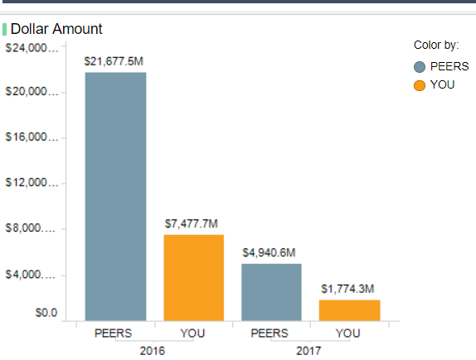
Oracle |  |  |  | Cambrian |  |  |  | UI
Report -Dollar amount 'You' | year | payment_rate | Dollar amount | Report -Dollar amount 'You' | year | Count | Dollar amount
Select year, payment_rate, sum(Balance) as total | 2016 | 1 | 7477712469.590 | SELECT YEAR(a.laststatusdate) AS year, COUNT(*), SUM(a.totalamountfinanced) AS total FROM im_auto_insights_db.dealertrack_summary a LEFT OUTER JOIN im_auto_insights_db.trade_performance b ON a.applicationprofileid = b.applicationprofileid AND b.year_month > 0 WHERE a.lender_id =162 AND dt_archive > 0 AND b.rate in ('0','1') AND b.account_age = 24 AND a.laststatus IN ('APPROVED','CONDITIONAL APPROVAL','BOOKED') and year(laststatusdate) >2015 GROUP BY YEAR(a.laststatusdate) order by YEAR(a.laststatusdate)
from AUTOBENCH_MGR.lender_transaction_ext | 2017 | 1 | 1774292821.270
where lender_id = 162 and Payment_Rate = 1
group by year, payment_Rate
order by year;

Report - Dollar amount 'peer' | year | payment_rate | Dollar amount | Report -Dollar amount 'Peer' | year | Count | Dollar amount
Select year, payment_rate, sum(Balance) as total | 2016 | 1 | 21677483025.060 | SELECT YEAR(a.laststatusdate) AS year, COUNT(*), SUM(a.totalamountfinanced) AS total FROM im_auto_insights_db.dealertrack_summary a LEFT OUTER JOIN im_auto_insights_db.trade_performance b ON a.applicationprofileid = b.applicationprofileid AND b.year_month > 0 WHERE a.lender_id =162 AND dt_archive > 0 AND b.rate in ('0','1') AND b.account_age = 24 AND a.laststatus IN ('APPROVED','CONDITIONAL APPROVAL','BOOKED') and year(laststatusdate) >2015 GROUP BY YEAR(a.laststatusdate) order by YEAR(a.laststatusdate) | 2016 | 718398 | 21677483024.43
from AUTOBENCH_MGR.lender_transaction_ext | 2017 | 1 | 4940570625.860 |  | 2017 | 160154 | 4940570625.53
where lender_id <> 162 and Payment_Rate = 1
group by year, payment_Rate
order by year;
 |  |  |  | UI
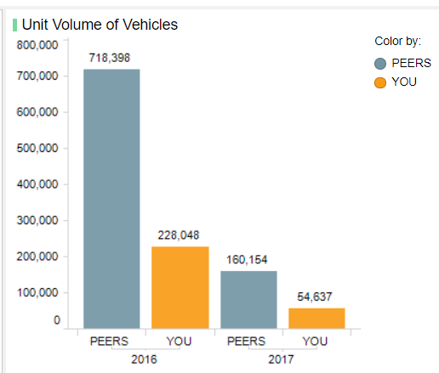
Report - Unit Volume Of Vehicle 'You' | year | payment_rate | Unit_volume
Select year, payment_rate, count(Vehicle_ID) as UnitVolume | 2016 | 1 | 228048.000
from AUTOBENCH_MGR.lender_transaction_ext | 2017 | 1 | 54637.000
where lender_id =162 and Payment_Rate = 1
group by year, payment_Rate
order by year,payment_rate;

Report -Unit Volume Of Vehicle of 'peer' | year | payment_rate | Unit_volume
Select year, payment_rate, count(Vehicle_ID) as UnitVolume | 2016 | 1 | 718398.000
from AUTOBENCH_MGR.lender_transaction_ext | 2017 | 1 | 160154.000
where lender_id <> 162 and Payment_Rate = 1
group by year, payment_Rate
order by year;
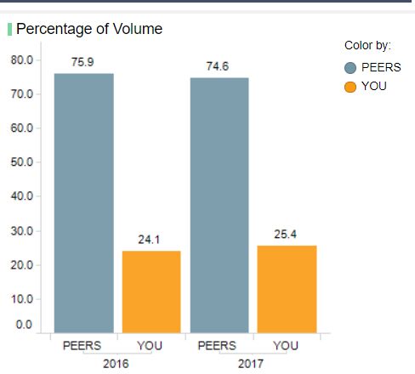

Report - Percentage of volumn 'peer' | year | payment_rate | Unit_volume
lender_id <> 162 and Payment_Rate = 1 | 2016 | 1 | 0.759
 | 2017 | 1 | 0.746

Report - Percentage of volumn 'YOU' | year | payment_rate | Unit_volume
lender_id = 162 and Payment_Rate = 1 | 2016 | 1 | 0.241
 | 2017 | 1 | 0.254

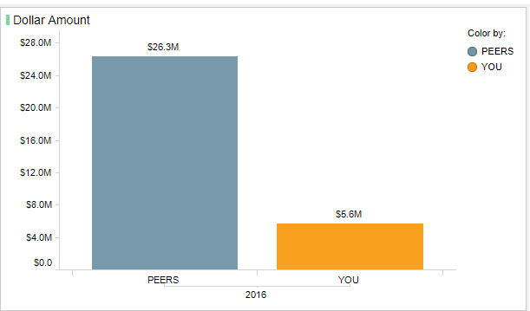
 |  |  |  | UI
Report - Dollar amount 'peer' | year | payment_rate | Dollar amount
Select payment_rate, sum(Balance) as total from AUTOBENCH_MGR.lender_transaction_ext t LEFT OUTER JOIN autobench_mgr.lender_peer_category pc ON t.lender_id = pc.lender_id WHERE pc.peer_category_id=1 and t.lender_id != 162 AND t.Payment_Rate = 1 and t.credit_quality in(3,4) and t.financing_type = 1 and t.financing_term in (3,4,5,6) and t.loan_to_value in (2,3,4) and t.subvented = 1 and t.apr in (6,7,8,9,10) and vehicle_condition = 1 and t.year = 2019 and t.month in (2,3,8,9) group by payment_Rate order by year; | 2019 | 1 | 24313942.390 |  |  |  | PASS

Report - Dollar amount 'YOU' | year | payment_rate | Dollar amount
Select year, payment_rate, sum(Balance) as total from AUTOBENCH_MGR.lender_transaction_ext t LEFT OUTER JOIN autobench_mgr.lender_peer_category pc ON t.lender_id = pc.lender_id WHERE pc.peer_category_id=1 and t.lender_id = 162 AND t.Payment_Rate = 1 and t.credit_quality in(3,4) and t.financing_type = 1 and t.financing_term in (3,4,5,6) and t.loan_to_value in (2,3,4) and t.subvented = 1 and t.apr in (6,7,8,9,10) and vehicle_condition = 1 and t.year = 2016 and t.month in (2,3,8,9) group by year,payment_Rate order by year; | 2016 | 1 | 5644965.240

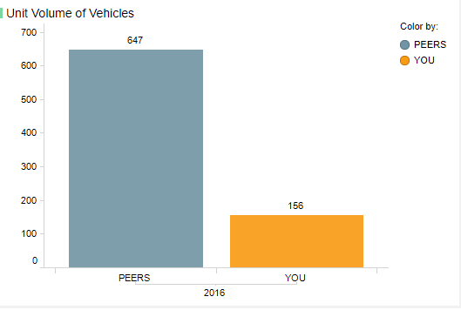
Report -Unit Volume Of Vehicle of 'peer' | year | payment_rate | Unit_volume
Select year, payment_rate, count(Vehicle_ID) as UnitVolume from AUTOBENCH_MGR.lender_transaction_ext t LEFT OUTER JOIN autobench_mgr.lender_peer_category pc ON t.lender_id = pc.lender_id WHERE pc.peer_category_id=1 and t.lender_id != 162 AND t.Payment_Rate = 1 and t.credit_quality in(3,4) and t.financing_type = 1 and t.financing_term in (3,4,5,6) and t.loan_to_value in (2,3,4) and t.subvented = 1 and t.apr in (6,7,8,9,10) and vehicle_condition = 1 and t.year = 2016 and t.month in (2,3,8,9) group by year,payment_Rate order by year; | 2016 | 1 | 647.000

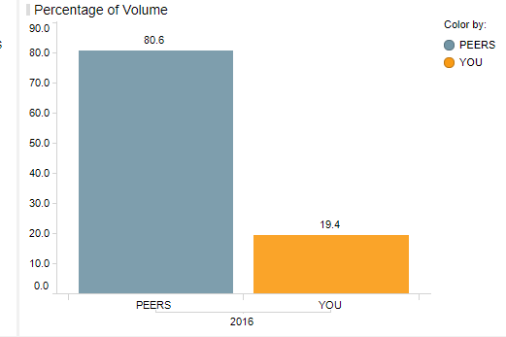
Report -Unit Volume Of Vehicle of 'you' | year | payment_rate | Unit_volume
Select year, payment_rate, count(Vehicle_ID) as UnitVolume from AUTOBENCH_MGR.lender_transaction_ext t LEFT OUTER JOIN autobench_mgr.lender_peer_category pc ON t.lender_id = pc.lender_id WHERE pc.peer_category_id=1 and t.lender_id = 162 AND t.Payment_Rate = 1 and t.credit_quality in(3,4) and t.financing_type = 1 and t.financing_term in (3,4,5,6) and t.loan_to_value in (2,3,4) and t.subvented = 1 and t.apr in (6,7,8,9,10) and vehicle_condition = 1 and t.year = 2016 and t.month in (2,3,8,9) group by year,payment_Rate order by year; | 2016 | 1 | 156.000 |  |  |  | PASS

Report - Percentage of volumn 'peer' | year | payment_rate | Unit_volume
lender_id <> 162 and Payment_Rate = 1 | 2016 | 1 | 0.806

 |  |  |  |  |  |  | PASS
Report - Percentage of volumn 'YOU' | year | payment_rate | Unit_volume
lender_id = 162 and Payment_Rate = 1 | 2016 | 1 | 0.194 |  |  |  |  |  | #DIV/0! | lender_id = 162 and Payment_Rate = 1 | 2016 | 1 | #DIV/0! | lender_id = 162 and Payment_Rate = 1 | 2016 | 1 | #DIV/0! | lender_id = 162 and Payment_Rate = 1 | 2016 | 1 | #DIV/0! | lender_id = 162 and Payment_Rate = 1 | 2016 | 1 | #DIV/0! | lender_id = 162 and Payment_Rate = 1 | 2016 | 1 | #DIV/0! | lender_id = 162 and Payment_Rate = 1 | 2016 | 1 | #DIV/0! | lender_id = 162 and Payment_Rate = 1 | 2016 | 1 | #DIV/0! | lender_id = 162 and Payment_Rate = 1 | 2016 | 1 | #DIV/0! | lender_id = 162 and Payment_Rate = 1 | 2016 | 1 | #DIV/0! | lender_id = 162 and Payment_Rate = 1 | 2016 | 1 | #DIV/0! | lender_id = 162 and Payment_Rate = 1 | 2016 | 1 | #DIV/0! | lender_id = 162 and Payment_Rate = 1 | 2016 | 1 | #DIV/0! | lender_id = 162 and Payment_Rate = 1 | 2016 | 1 | #DIV/0! | lender_id = 162 and Payment_Rate = 1 | 2016 | 1 | #DIV/0! | lender_id = 162 and Payment_Rate = 1 | 2016 | 1 | #DIV/0! | lender_id = 162 and Payment_Rate = 1 | 2016 | 1 | #DIV/0! | lender_id = 162 and Payment_Rate = 1 | 2016 | 1 | #DIV/0! | lender_id = 162 and Payment_Rate = 1 | 2016 | 1 | #DIV/0! | lender_id = 162 and Payment_Rate = 1 | 2016 | 1 | #DIV/0! | lender_id = 162 and Payment_Rate = 1 | 2016 | 1 | #DIV/0! | lender_id = 162 and Payment_Rate = 1 | 2016 | 1 | #DIV/0! | lender_id = 162 and Payment_Rate = 1 | 2016 | 1 | #DIV/0! | lender_id = 162 and Payment_Rate = 1 | 2016 | 1 | #DIV/0! | lender_id = 162 and Payment_Rate = 1 | 2016 | 1 | #DIV/0! | lender_id = 162 and Payment_Rate = 1 | 2016 | 1 | #DIV/0! | lender_id = 162 and Payment_Rate = 1 | 2016 | 1 | #DIV/0! | lender_id = 162 and Payment_Rate = 1 | 2016 | 1 | #DIV/0! | lender_id = 162 and Payment_Rate = 1 | 2016 | 1 | #DIV/0! | lender_id = 162 and Payment_Rate = 1 | 2016 | 1 | #DIV/0! | lender_id = 162 and Payment_Rate = 1 | 2016 | 1 | #DIV/0! | lender_id = 162 and Payment_Rate = 1 | 2016 | 1 | #DIV/0! | lender_id = 162 and Payment_Rate = 1 | 2016 | 1 | #DIV/0! | lender_id = 162 and Payment_Rate = 1 | 2016 | 1 | #DIV/0! | lender_id = 162 and Payment_Rate = 1 | 2016 | 1 | #DIV/0! | lender_id = 162 and Payment_Rate = 1 | 2016 | 1 | #DIV/0! | lender_id = 162 and Payment_Rate = 1 | 2016 | 1 | #DIV/0! | lender_id = 162 and Payment_Rate = 1 | 2016 | 1 | #DIV/0! | lender_id = 162 and Payment_Rate = 1 | 2016 | 1 | #DIV/0! | lender_id = 162 and Payment_Rate = 1 | 2016 | 1 | #DIV/0! | lender_id = 162 and Payment_Rate = 1 | 2016 | 1 | #DIV/0! | lender_id = 162 and Payment_Rate = 1 | 2016 | 1 | #DIV/0! | lender_id = 162 and Payment_Rate = 1 | 2016 | 1 | #DIV/0! | lender_id = 162 and Payment_Rate = 1 | 2016 | 1 | #DIV/0! | lender_id = 162 and Payment_Rate = 1 | 2016 | 1 | #DIV/0! | lender_id = 162 and Payment_Rate = 1 | 2016 | 1 | #DIV/0! | lender_id = 162 and Payment_Rate = 1 | 2016 | 1 | #DIV/0! | lender_id = 162 and Payment_Rate = 1 | 2016 | 1 | #DIV/0! | lender_id = 162 and Payment_Rate = 1 | 2016 | 1 | #DIV/0! | lender_id = 162 and Payment_Rate = 1 | 2016 | 1 | #DIV/0! | lender_id = 162 and Payment_Rate = 1 | 2016 | 1 | #DIV/0! | lender_id = 162 and Payment_Rate = 1 | 2016 | 1 | #DIV/0!

AnnualReport_Rate2
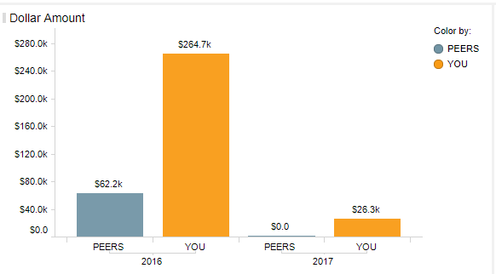
Report - Dollar amount 'peer' - no ranking filters | year | payment_rate | Dollar amount
Select year, payment_rate, sum(Balance) as total from AUTOBENCH_MGR.lender_transaction_ext t LEFT OUTER JOIN autobench_mgr.lender_peer_category pc ON t.lender_id = pc.lender_id WHERE pc.peer_category_id in(4,5,6,10) and t.lender_id != 162 AND t.Payment_Rate = 2 and t.credit_quality in(1,2,5,6) and t.financing_type in(1,3) and t.financing_term in (1,2,3,4) and t.loan_to_value in (1,5,6) and t.subvented = 1 and t.apr in (1,2,3,4,5) and vehicle_condition = 2 and t.year in (2016,2017) and t.month in (1,4,6,12) and VEHICLE_YEAR IN (2015,2016,2017,2012,2013,2014) group by year,payment_Rate order by year; | 2016 | 2 | 62242.990
 | 2017 | 2 | 0.000

Report - Dollar amount 'YOU' - no ranking filters
Report - Dollar amount 'you' - no ranking filters | year | payment_rate | Dollar amount
Select year, payment_rate, sum(Balance) as total from AUTOBENCH_MGR.lender_transaction_ext t LEFT OUTER JOIN autobench_mgr.lender_peer_category pc ON t.lender_id = pc.lender_id WHERE pc.peer_category_id=1 and t.lender_id = 162 AND t.Payment_Rate = 2 and t.credit_quality in(1,2,5,6) and t.financing_type in(1,3) and t.financing_term in (1,2,3,4) and t.loan_to_value in (1,5,6) and t.subvented = 1 and t.apr in (1,2,3,4,5) and vehicle_condition = 2 and t.year in (2016,2017) and t.month in (1,4,6,12) and VEHICLE_YEAR IN (2015,2016,2017,2012,2013,2014) group by year,payment_Rate order by year; | 2016 | 2 | 264660.280 | PASS
 | 2017 | 2 | 26340.840

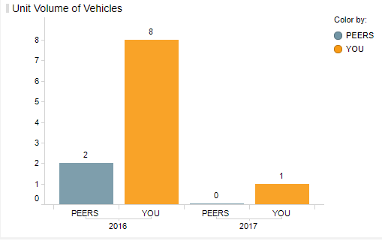
Unit Volume Of "PEER" - no ranking filters | year | payment_rate | Unit_volume
Select year, payment_rate, count(Vehicle_ID) as UnitVolume from AUTOBENCH_MGR.lender_transaction_ext t LEFT OUTER JOIN autobench_mgr.lender_peer_category pc ON t.lender_id = pc.lender_id WHERE pc.peer_category_id in(4,5,6,10) and t.lender_id != 162 AND t.Payment_Rate = 2 and t.credit_quality in(1,2,5,6) and t.financing_type in(1,3) and t.financing_term in (1,2,3,4) and t.loan_to_value in (1,5,6) and t.subvented = 1 and t.apr in (1,2,3,4,5) and vehicle_condition = 2 and t.year in (2016,2017) and t.month in (1,4,6,12) and VEHICLE_YEAR IN (2015,2016,2017,2012,2013,2014) group by year,payment_Rate order by year; | 2016 | 2 | 2.000
 | 2017 | 2 | 0.000
 |  |  |  | PASS
Unit Volume Of "YOU" - no ranking filters | year | payment_rate | Unit_volume
Select year, payment_rate, count(Vehicle_ID) as UnitVolume from AUTOBENCH_MGR.lender_transaction_ext t LEFT OUTER JOIN autobench_mgr.lender_peer_category pc ON t.lender_id = pc.lender_id WHERE pc.peer_category_id=1 and t.lender_id = 162 AND t.Payment_Rate = 2 and t.credit_quality in(1,2,5,6) and t.financing_type in(1,3) and t.financing_term in (1,2,3,4) and t.loan_to_value in (1,5,6) and t.subvented = 1 and t.apr in (1,2,3,4,5) and vehicle_condition = 2 and t.year in (2016,2017) and t.month in (1,4,6,12) and VEHICLE_YEAR IN (2015,2016,2017,2012,2013,2014) group by year,payment_Rate order by year; | 2016 | 2 | 8.000
 | 2017 | 2 | 1.000

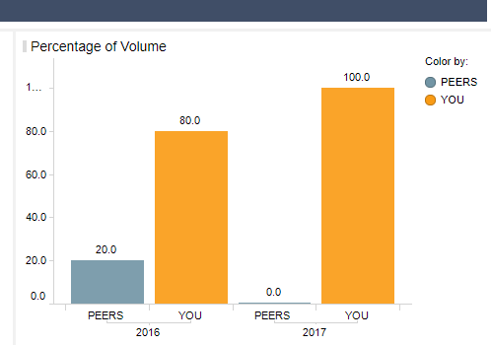
Report - Percentage of volumn 'peer' | year | payment_rate | Unit_volume
pc.eer_category_id in(4,5,6,10) and t.lender_id != 162 AND t.Payment_Rate = 2 and t.credit_quality in(1,2,5,6) and t.financing_type in(1,3) and t.financing_term in (1,2,3,4) and t.loan_to_value in (1,5,6) and t.subvented = 1 and t.apr in (1,2,3,4,5) and vehicle_condition = 2 and t.year in (2016,2017) and t.month in (1,4,6,12) and VEHICLE_YEAR IN (2015,2016,2017,2012,2013,2014) | 2016 | 2 | 20.000
 | 2017 | 2 | 0.000

Report - Percentage of volumn 'you' | year | payment_rate | Unit_volume | PASS
pc.eer_category_id = 1 and t.lender_id 1= 162 AND t.Payment_Rate = 2 and t.credit_quality in(1,2,5,6) and t.financing_type in(1,3) and t.financing_term in (1,2,3,4) and t.loan_to_value in (1,5,6) and t.subvented = 1 and t.apr in (1,2,3,4,5) and vehicle_condition = 2 and t.year in (2016,2017) and t.month in (1,4,6,12) and VEHICLE_YEAR IN (2015,2016,2017,2012,2013,2014) | 2016 | 2 | 80.000
 | 2017 | 2 | 100.000

AnnualReport_Rate1_all filters
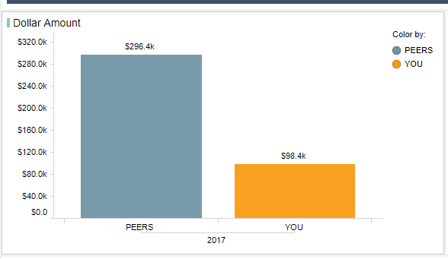
Monthly Report_rate 1 - all filters |  |  |  | Statust
Report - Dollar amount 'peer' - ALL filters | year | payment_rate | Dollar amount
Select year, payment_rate, sum(Balance) as total FROM AUTOBENCH_MGR.lender_transaction_ext t WHERE EXISTS (SELECT 1 FROM AUTOBENCH_MGR.lender_peer_category pc WHERE t.lender_id = pc.lender_id AND pc.peer_category_id IN (2,3,7,8)) AND t.lender_id != 162 AND t.payment_rate = 1 AND t.credit_quality IN (3,4) AND t.financing_type = 1 AND t.financing_term IN (3,4,5,6) AND t.loan_to_value IN (2,3,4) AND t.subvented = 1 AND t.apr IN (6,7,8,9,10) AND t.vehicle_condition = 1 AND t.year IN (2018,2017) AND t.month IN (2,3,8,9) AND t.city_id IN (5,6,16) AND t.postal_code_id > (SELECT MAX(postal_code_id) AS last_postal_code_id FROM (SELECT postal_code_id FROM ( SELECT postal_code_id FROM autobench_mgr.postal_code c WHERE c.city_id IN (5,6,16) ORDER BY c.postal_code_id) sorted WHERE ROWNUM < 100)) AND t.vehicle_make_id NOT IN (24) AND vehicle_model_id NOT IN (82,101,6,76) AND vehicle_year IN (2015,2016,2017,2018,2019,2020) GROUP BY year,payment_rate ORDER BY year; | 2017 | 1 | 296424.22 | pass

Report - Dollar amount 'YOU - ALL filters | year | payment_rate | Dollar amount
Select year, payment_rate, sum(Balance) as total from AUTOBENCH_MGR.lender_transaction_ext t LEFT OUTER JOIN autobench_mgr.lender_peer_category pc ON t.lender_id = pc.lender_id WHERE pc.peer_category_id =1 and t.lender_id = 162 AND t.Payment_Rate = 1 and t.credit_quality in(3,4) and t.financing_type = 1 and t.financing_term in (3,4,5,6) and t.loan_to_value in (2,3,4) and t.subvented = 1 and t.apr in (6,7,8,9,10) and t.vehicle_condition = 1 and t.year in(2018,2017) and t.month in (2,3,8,9) --and t.region_id in (1,2) and t.city_id in (5,6,16) and t.postal_code_id > 1000 --not in (3707,4349,5905,6761) and t.vehicle_make_id not in (24) and vehicle_model_id not in (82,101,6,76) AND VEHICLE_YEAR IN (2015,2016,2017,2018,2019,2020) group by year, payment_Rate order by year; | 2017 | 1 | 98355.98 | pass

Unit Volume Of "PEER" - All filters | year | payment_rate | Dollar amount
Select year, payment_rate, count(Vehicle_ID) as UnitVolume FROM AUTOBENCH_MGR.lender_transaction_ext t WHERE EXISTS (SELECT 1 FROM AUTOBENCH_MGR.lender_peer_category pc WHERE t.lender_id = pc.lender_id AND pc.peer_category_id IN (1)) AND t.lender_id != 162 AND t.payment_rate = 1 AND t.credit_quality IN (3,4) AND t.financing_type = 1 AND t.financing_term IN (3,4,5,6) AND t.loan_to_value IN (2,3,4) AND t.subvented = 1 AND t.apr IN (6,7,8,9,10) AND t.vehicle_condition = 1 AND t.year IN (2018,2017) AND t.month IN (2,3,8,9) AND t.city_id IN (5,6,16) AND t.postal_code_id > (SELECT MAX(postal_code_id) AS last_postal_code_id FROM (SELECT postal_code_id FROM ( SELECT postal_code_id FROM autobench_mgr.postal_code c WHERE c.city_id IN (5,6,16) ORDER BY c.postal_code_id) sorted WHERE ROWNUM < 100)) AND t.vehicle_make_id NOT IN (24) AND vehicle_model_id NOT IN (82,101,6,76) AND vehicle_year IN (2015,2016,2017,2018,2019,2020) GROUP BY year,payment_rate ORDER BY year; | 2017 | 1 | 7 | pass | 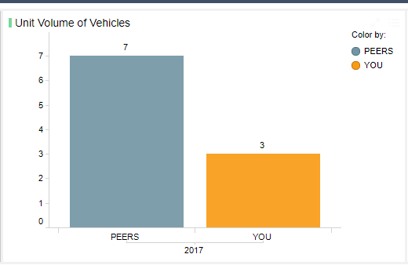

Unit Volume Of "you" - All filters | year | payment_rate | Dollar amount
Select year, payment_rate, count(Vehicle_ID) as UnitVolume FROM AUTOBENCH_MGR.lender_transaction_ext t WHERE EXISTS (SELECT 1 FROM AUTOBENCH_MGR.lender_peer_category pc WHERE t.lender_id = pc.lender_id AND pc.peer_category_id IN (1)) AND t.lender_id != 162 AND t.payment_rate = 1 AND t.credit_quality IN (3,4) AND t.financing_type = 1 AND t.financing_term IN (3,4,5,6) AND t.loan_to_value IN (2,3,4) AND t.subvented = 1 AND t.apr IN (6,7,8,9,10) AND t.vehicle_condition = 1 AND t.year IN (2018,2017) AND t.month IN (2,3,8,9) AND t.city_id IN (5,6,16) AND t.postal_code_id > (SELECT MAX(postal_code_id) AS last_postal_code_id FROM (SELECT postal_code_id FROM ( SELECT postal_code_id FROM autobench_mgr.postal_code c WHERE c.city_id IN (5,6,16) ORDER BY c.postal_code_id) sorted WHERE ROWNUM < 100)) AND t.vehicle_make_id NOT IN (24) AND vehicle_model_id NOT IN (82,101,6,76) AND vehicle_year IN (2015,2016,2017,2018,2019,2020) GROUP BY year,payment_rate ORDER BY year; | 2017 | 1 | 3 | pass

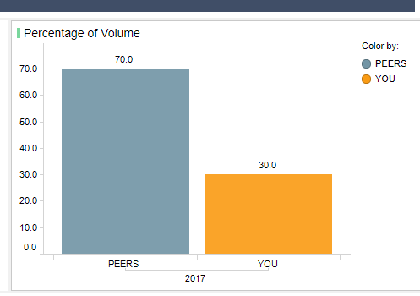
Report - Percentage of volumn 'peer' | year | payment_rate | Unit_volume
t.lender_id != 162 AND t.payment_rate = 1 AND t.credit_quality IN (3,4) AND t.financing_type = 1 AND t.financing_term IN (3,4,5,6) AND t.loan_to_value IN (2,3,4) AND t.subvented = 1 AND t.apr IN (6,7,8,9,10) AND t.vehicle_condition = 1 AND t.year IN (2018,2017) AND t.month IN (2,3,8,9) AND t.city_id IN (5,6,16) AND t.postal_code_id > (SELECT MAX(postal_code_id) AS last_postal_code_id FROM (SELECT postal_code_id FROM ( SELECT postal_code_id FROM autobench_mgr.postal_code c WHERE c.city_id IN (5,6,16) ORDER BY c.postal_code_id) sorted WHERE ROWNUM < 100)) AND t.vehicle_make_id NOT IN (24) AND vehicle_model_id NOT IN (82,101,6,76) AND vehicle_year IN (2015,2016,2017,2018,2019,2020) GROUP BY year,payment_rate ORDER BY year; | 2017 | 1 | 70 | pass

Report - Percentage of volumn 'peer' | year | payment_rate | Unit_volume
t.lender_id 1= 162 AND t.payment_rate = 1 AND t.credit_quality IN (3,4) AND t.financing_type = 1 AND t.financing_term IN (3,4,5,6) AND t.loan_to_value IN (2,3,4) AND t.subvented = 1 AND t.apr IN (6,7,8,9,10) AND t.vehicle_condition = 1 AND t.year IN (2018,2017) AND t.month IN (2,3,8,9) AND t.city_id IN (5,6,16) AND t.postal_code_id > (SELECT MAX(postal_code_id) AS last_postal_code_id FROM (SELECT postal_code_id FROM ( SELECT postal_code_id FROM autobench_mgr.postal_code c WHERE c.city_id IN (5,6,16) ORDER BY c.postal_code_id) sorted WHERE ROWNUM < 100)) AND t.vehicle_make_id NOT IN (24) AND vehicle_model_id NOT IN (82,101,6,76) AND vehicle_year IN (2015,2016,2017,2018,2019,2020) GROUP BY year,payment_rate ORDER BY year; | 2017 | 1 | 30 | pass

